PFC
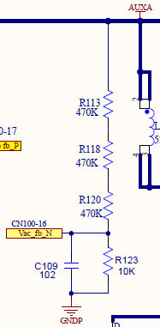
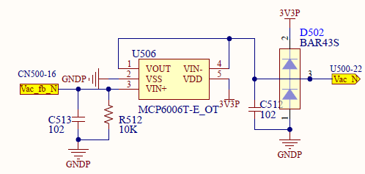
 | INPUT
 | CALCULATION

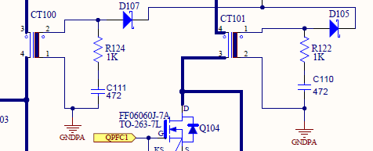
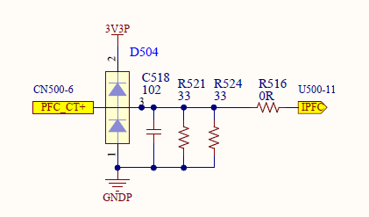
PFC
PFC voltage | 400 | V
CT N1 | 1 | Turns | /* PFC CT N1
CT N2 | 100 | Turns | /* PFC CT N2
I1 | 10.00 | A | /* PFC current
I2 | 0.1 | A | /* I1*N1=I2*N2
R521 | 33.0 | ohm
R524 | 33.0 | ohm
V2 | 1.65 | V | /* CT voltage V2=I2*R2
R145(R149) | 0.33 | W | /* R41(R42) stress and loss check
ADCMAXCOUNT | 4096
ADC_REF | 3.3
PFC_CT1_AD | 2048 | V | 0.165

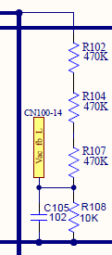
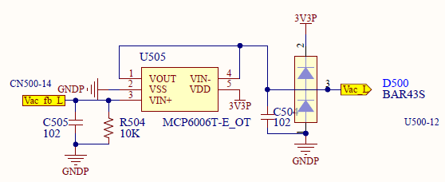
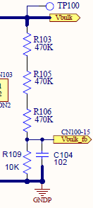
AC_L |  |  | AC_N
R102 | 470,000 | ohm | R113
R104 | 470,000 | ohm | R118
R107 | 470,000 | ohm | R120
R108 | 10,000 | ohm | R123
R504 | 10,000 | ohm | R512
 | 5,000 | ohm
ACV_DIVIDER | 1.4134275618 | V
ADCMAXCOUNT | 4096
ADC_REF | 3.3
AC_VOLTAGE_AD | 1754.3634222 |  |  | 0.0035335689046

